Sheet1
 |  |  |  |  |  |  |  |  |  |  |  |  | Realtime YoloV8n detection drone sample
2025_03_23

YoloV8n Training
 | GPU_mem | box_loss | cls_loss | dfl_loss | Instances | Class | Images | Instances | Box(P | R | mAP50 | mAP50-95 | 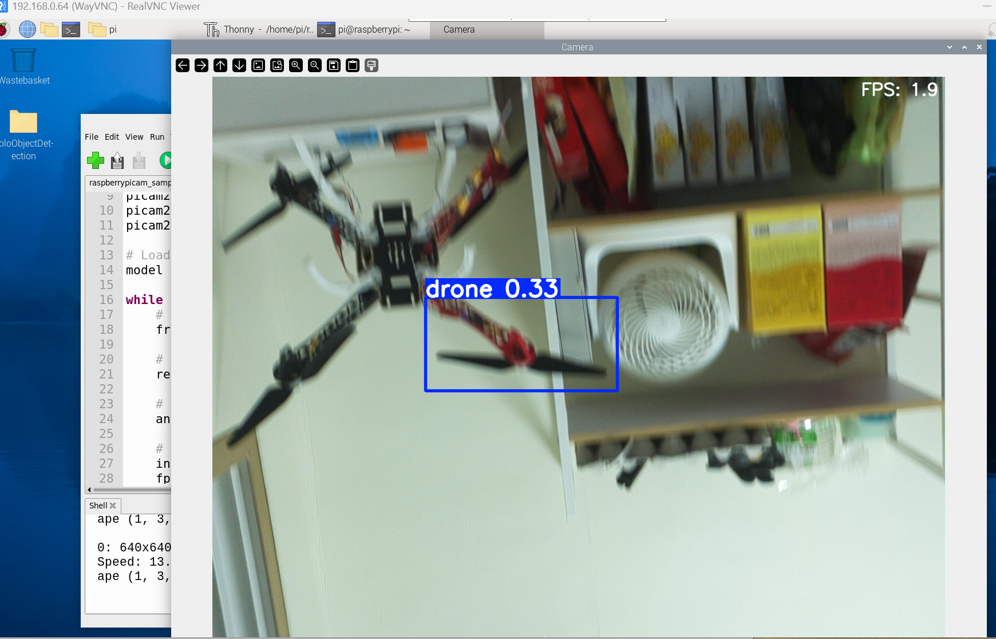
Epoch 1 | 0G | 1.783 | 3.24 | 1.313 | 6 | all | 802 | 660 | 0.664 | 0.682 | 0.686 | 0.316
Epoch 2 | 0G | 1.779 | 1.833 | 1.389 | 3 | all | 802 | 660 | 0.752 | 0.726 | 0.772 | 0.362
Epoch 3 | 0G | 1.739 | 1.372 | 1.383 | 6 | all | 802 | 660 | 0.718 | 0.765 | 0.774 | 0.368
Epoch 4 | 0G | 1.71 | 1.211 | 1.346 | 3 | all | 802 | 660 | 0.687 | 0.741 | 0.769 | 0.383
Epoch 5 | 0G | 1.649 | 1.172 | 1.337 | 5 | all | 802 | 660 | 0.857 | 0.795 | 0.876 | 0.436
Epoch 6 | 0G | 1.616 | 1.057 | 1.307 | 4 | all | 802 | 660 | 0.749 | 0.795 | 0.831 | 0.447
Epoch 7 | 0G | 1.583 | 0.9889 | 1.272 | 5 | all | 802 | 660 | 0.843 | 0.785 | 0.856 | 0.457
Epoch 8 | 0G | 1.559 | 0.9648 | 1.258 | 4 | all | 802 | 660 | 0.854 | 0.84 | 0.9 | 0.489
Epoch 9
Epoch 10

